CombinedCNN
Epochs | Filter Lengths |  | Num Filters | Training Accuracy | Mean Crossval | Validation Accuracy | Test Accuracy
500 | 30, 50 | 0.4 | 500 | 0.7991 | 0.7203 | 0.8235
500 | 30, 50 | 0.4 | 1000 | 0.8178 | 0.7222 | 0.8676
500 | 10, 20, 30 | 0.4 | 500 | 0.7733 | 0.744 | 0.8235
500 | 10, 20, 30 | 0.4 | 1000 | 0.7991 | 0.7333 | 0.8676
500 | 30 | 0 | 1000 | 1 | 0.8203 | 0.7024
500 | 30 | 0.3 | 1000 | 0.8 | 0.73 | 0.88
500 | 30 | 0.3 | 1500 | 0.8388 | 0.7425 | 0.8676
500 | 50 | 0.3 | 1500 | 0.8271 | 0.7481 | 0.897
500 | 30,50 | 0.3 | 1500 | 0.8813 | 0.737 | 0.8676
1000 | 50 | 0.3 | 1500 | 0.9579 | 0.8222 | 0.8824
1000 | 70 | 0.3 | 1500 | 0.9486 | 0.8407 | 0.9118 | 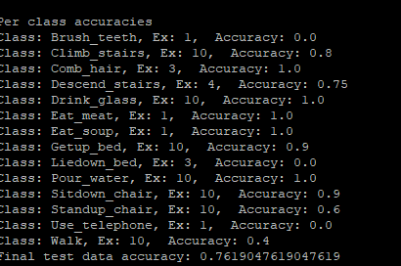
1000 | 100 | 0.3 | 1500 | 0.972 | 0.7963 | 0.8824

